README
EJP SOIL template - Metadata Long-term field experiment (LTE) | Version | 1.0.0 - 20210607
The aim of EJP SOIL is to pool national research efforts in order to make better use of Europe's research and development resources and tackle major societal challenges such as climate change adaptation and mitigation, sustainable agricultural production, ecosystem services provision, prevention and restoration of land and soil degradation and biodiversity maintenance more effectively (https://ejpsoil.eu/). Long-term field experiments (LTEs) are crucial sources of knowledge on agricultural soil management. They are vitally important in monitoring, understanding and proving the changes in soil properties and crop production occurring as a result of agricultural management practices and climate change. Long-term field experiments will also be essential in the future and cannot be replaced by new analytical techniques or models; on the contrary, they are an indispensable basis for the calibration and validation of these techniques. Because of longevity, it is fairly costly to maintain them. Therefore, efforts aiming at more extensive and cooperative use of LTEs and the corresponding data should be promoted. Overviews of existing LTEs were already accomplished during the last decades and a number of international projects dealing with data collection and analysis were executed. EJP SOIL aims at harmonizing and improving previous/existing initiatives by creating an online database in which the metadata of ongoing European LTEs are gathered. This LTE database will be open access and will serve as a match-making platform between researchers and LTE owners. A search function will allow the users of the database to quickly find the LTE(s) of interest. Afterwards, a bilateral cooperation with the LTE-owners could be initiated to e.g. exchange data or soil samples. In order to further stimulate cooperation, visiting grants are being provided to facilitate the access of researchers across Europe to soil research infrastructure (e.g. LTEs). This could create an opportunity to o

Instructions:
The vocabulary used and associated definitions can be found in the 'description' tab. This follows standards such as WRB/USDA, Agrovoc, Corine Land Cover where possible and relevant | Contact | ejp.ltetemplate@ilvo.vlaanderen.be
For drop-down menu sub-level choices are denoted by '>' or '>>', the aim is to be as accurate as possible.
If, and only if, the choice you want is not in the drop-down menu, you are still free to type it in.
Experiment ID, Treatment ID and Rotation enable one to many relationships between tabs (=relational database). They are set manually but once included in the database, they will be overwritten in order to make them truly unique.
It is important to enter all the different treatments of an experiment as separate lines, including the so called 'control treatments'. Once the database is complete, it will be possible to extract data treatment vs control for meta-analysis (the control treatments can be different from task to task)
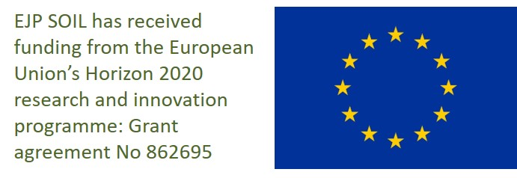
The tabs tillage, crops, amendments, irrigation are to describe the treatments or the general characteristics of the experiment. if the information is a characteristic of the experiment and thus applies to all treatments the 'Treatment ID' column can be set to 'all treatments' and hence, only one line for all treatments needs to be filled.
Similarly, rotations can be specified. If no rotations is used select 'no rotation', othewise select 'year1', 'year2', ... 'year6'. If management (amendment/tillage/irrigation/...) is done similarly for all years, you can use the 'all rotations' choice.
Not all columns need to be filled: some columns are "important" (if info is available of course) other are "useful". If data is not available, please leave the cell blank.

Tips1: Don't hesitate to duplicate rows if more than one fertilizer, crop or tillage treatment is applied
Tips2: If the template is loaded onto Google Drive, you can beneficiate of autocompletion for each dropdown
Tips3: Some headers contains comments (like this cell), hover over it to view it
Once completed, go back to EJP 7.3 LTE list

Levels:
important/<specific tasks>:this information is a minimum requirement. If only a minimum requirement for a specific task then the task number is listed, if no task number is given it is a minimum requirement for all tasks
useful: if available, this information is useful to add

